All Data
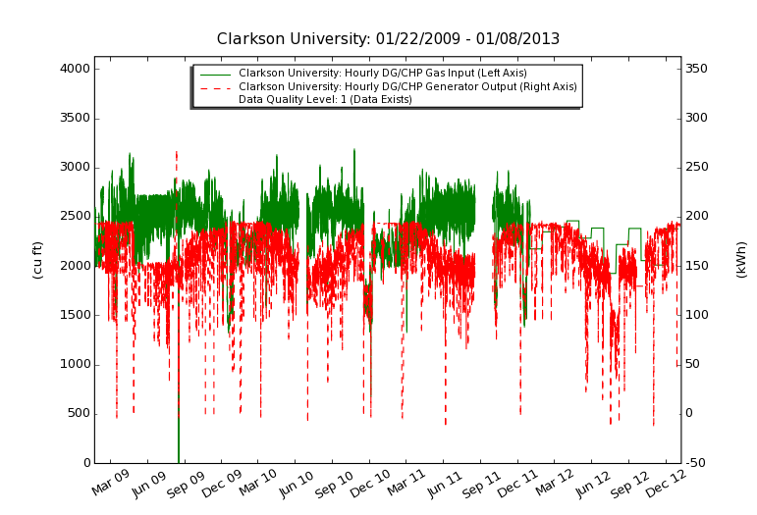
Clarkson University Summary Table
Data Quality: Data Exists
Date | DG/CHP Generator Output | DG/CHP Gas Input | Useful Heat Recovery | Electrical Efficiency HHV | Total Efficiency HHV
 | (kWh x 10^3) | (cf x 10^3) | (MBTu x 10^3) | (%) | (%)
January 2009 | 45.5 | 510 | 100.6 | 32.8% | 48.7%
February 2009 | 123.2 | 1,490.00 | 192.1 | 30.4% | 39.9%
March 2009 | 131.7 | 1,675.40 | 152.9 | 28.9% | 34.9%
April 2009 | 127 | 1,765.70 | 84.6 | 26.5% | 28.5%
May 2009 | 109 | 1,741.70 | 155.9 | 23.0% | 29.4%
June 2009 | 96.7 | 1,628.90 | 163.9 | 21.9% | 29.4%
July 2009 | 96.2 | 1,671.70 | 185.4 | 21.2% | 29.8%
August 2009 | 105.8 | 1,815.30 | 167.9 | 21.5% | 28.3%
September 2009 | 111.2 | 1,814.50 | 241.2 | 22.6% | 33.2%
October 2009 | 125.3 | 1,818.20 | 119.3 | 25.4% | 29.2%
November 2009 | 127.4 | 1,766.60 | 36.8 | 26.6% | 25.9%
December 2009 | 123.3 | 1,498.60 | 26.2 | 30.3% | 29.0%
January 2010 | 124.3 | 1,431.00 | 208.6 | 32.0% | 42.9%
February 2010 | 126.8 | 1,482.30 | 180.8 | 31.5% | 40.2%
March 2010 | 131.9 | 1,721.60 | 112.9 | 28.2% | 31.8%
April 2010 | 123.3 | 1,840.80 | 105.1 | 24.7% | 27.7%
May 2010 | 114.1 | 1,846.80 | 140.6 | 22.7% | 27.9%
June 2010 | 31.5 | 532.9 | 48.3 | 21.8% | 28.4%
July 2010 | 94.6 | 1,669.60 | 154.8 | 20.9% | 27.8%
August 2010 | 108.9 | 1,906.20 | 152 | 21.0% | 26.7%
September 2010 | 106.1 | 1,745.90 | 151.4 | 22.4% | 28.6%
October 2010 | 125.7 | 1,873.60 | 136.5 | 24.7% | 29.3%
November 2010 | 112 | 1,488.10 | 148.1 | 27.7% | 34.6%
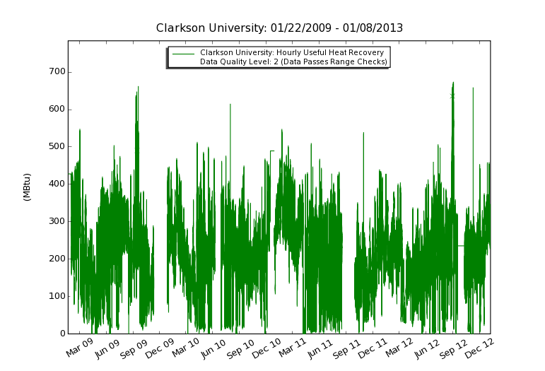
December 2010 | 129.6 | 1,506.80 | 279.6 | 31.7% | 46.5%
January 2011 | 133.9 | 1,522.10 | 236.9 | 32.4% | 44.3%
February 2011 | 108.1 | 1,266.90 | 223.4 | 31.4% | 45.4%
March 2011 | 140.5 | 1,744.70 | 209.2 | 29.6% | 38.3%
April 2011 | 122.6 | 1,743.00 | 122.6 | 25.9% | 30.1%
May 2011 | 116.6 | 1,862.90 | 144.6 | 23.0% | 28.3%
June 2011 | 105 | 1,806.50 | 130.4 | 21.4% | 26.3%
July 2011 | 105.6 | 1,863.50 | 152.6 | 20.9% | 26.7%
August 2011 | 60.2 | 1,061.30 | 77.9 | 20.9% | 25.9%
September 2011 | 0 | 0.00 | 0 | n/a | n/a
October 2011 | 120.4 | 1,796.20 | 111.4 | 24.7% | 28.2%
November 2011 | 120.1 | 1,672.40 | 94.4 | 26.4% | 29.3%
December 2011 | 126.1 | 1,592.00 | 164.1 | 29.2% | 36.3%
January 2012 | 131 | 1,620.60 | 177.4 | 29.8% | 37.4%
February 2012 | 131.2 | 1,636.60 | 164.1 | 29.5% | 36.3%
March 2012 | 134.2 | 1,786.70 | 111.8 | 27.7% | 31.0%
April 2012 | 125.1 | 1,773.60 | 115 | 26.0% | 29.7%
May 2012 | 106.9 | 1,701.80 | 114 | 23.1% | 27.3%
June 2012 | 102.5 | 1,720.90 | 130.1 | 21.9% | 27.1%
July 2012 | 85.5 | 1,435.40 | 164.9 | 21.9% | 30.9%
August 2012 | 96.8 | 1,653.90 | 174.9 | 21.5% | 29.7%
September 2012 | 99.9 | 1,718.00 | 159.9 | 21.4% | 28.3%
October 2012 | 112.1 | 1,532.30 | 145.4 | 26.9% | 33.5%
November 2012 | 126.5 | 1,450.50 | 141 | 32.1% | 38.3%
December 2012 | 140.6 | 1,772.30 | 172.1 | 29.2% | 35.7%
Total | 5,302.50 | 75,976.30 | 6,883.60 | 25.7% | 31.9%

 | Percent Good Data: | 0.0 - 75.9 % | 76.0 - 90.9 % | 91.0 - 100.0 %

2012 Data For Eff Curve Fit
Clarkson University Summary Table
Data Quality: Data Exists
Date | DG/CHP Generator Output | DG/CHP Gas Input | Useful Heat Recovery | Electrical Efficiency HHV | Total Efficiency HHV | Ambient Temperature
 | (kWh x 10^3) | (cf x 10^3) | (MBTu x 10^3) | (%) | (%) | (F)
January 2012 | 131 | 1,620.60 | 177.4 | 26.8% | 37.4% | 30.4
February 2012 | 131.2 | 1,636.60 | 164.1 | 26.6% | 36.3% | 32.0
March 2012 | 134.2 | 1,786.70 | 111.8 | 24.9% | 31.0% | 46.9
April 2012 | 125.1 | 1,773.60 | 115 | 23.4% | 29.7% | 45.7
May 2012 | 106.9 | 1,701.80 | 114 | 20.8% | 27.3% | 63.4
June 2012 | 102.5 | 1,720.90 | 130.1 | 19.7% | 27.1% | 68.7
July 2012 | 85.5 | 1,435.40 | 164.9 | 19.7% | 30.9% | 74.6
August 2012 | 96.8 | 1,653.90 | 174.9 | 19.4% | 29.7% | 70.3
September 2012 | 99.9 | 1,718.00 | 159.9 | 19.3% | 28.3% | 61.6
October 2012 | 112.1 | 1,532.30 | 145.4 | 24.2% | 33.5% | 52.9
November 2012 | 126.5 | 1,450.50 | 141 | 28.9% | 38.3% | 38.8
December 2012 | 140.6 | 1,772.30 | 172.1 | 26.3% | 35.7% | 36.0
Total | 1,392.30 | 19,802.60 | 1,770.60 | 25.9% | 32.0%

Clarkson Microturbine Efficiency 2012

